1. Title Page
Instacart Grocery Basket Analysis

Project Name: Instacart Grocery Basket Analysis
Date: April - May 2022
Analyst Name: Amy Palomino

Contents:
Population Flow
Consistency checks
Wrangling steps
Column derivations
Visualizations
Recommendations
Day and Hour Crosstabs
Day_hour_spending habits
price_range_spending_habits
Department_order_number
Imcome_depts
Loyalty_flag
family_insights
Age_order_frequency

Citation: “The InstacartOnline Grocery Shopping Dataset2017” Accessed from https://www.instacart.com/datasets/grocery-shopping-2017 on 25th March 2022.

2. Population Flow
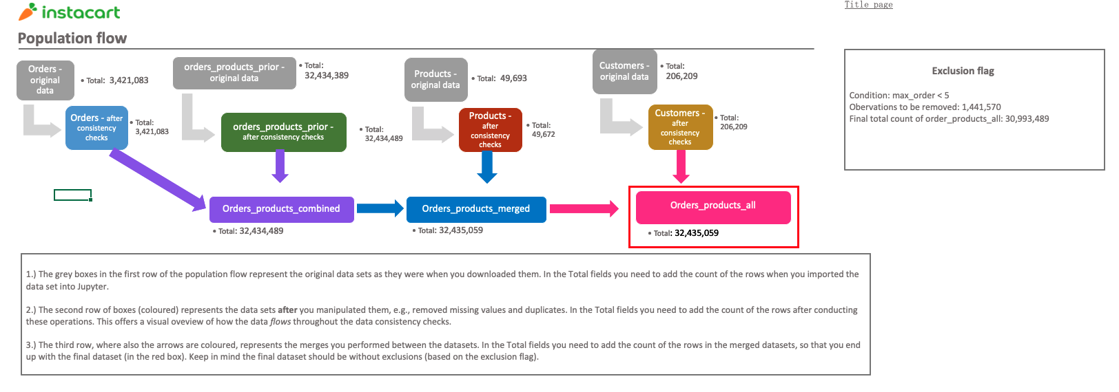

3. Consistency checks
 |  |  |  |  | Title page
Consistency checks

Dataset | Missing values | Missing values treatment | Data Quality Issues | Duplicates
orders
products | 16 'product_name' | removed from dataframe
orders_products_prior
ords_prods_merge |  |  | 2 incorrect prices - Lowfat 2% Milkfat Cottage Cheese - $149,00 - 'prices' imputed to $1.49 - 2 % Reduced Fat Milk - $99999 - 'prices' imputed to $0.99
customers | First name

4. Wrangling steps
 |  |  |  | Title page
Wrangling steps

Columns dropped | Columns renamed | Columns' type changed | Comment/Reason
eval_set (orders) |  |  | not relevant to the analysis
 | order_dow renamed to order_day_of_week |  | dow not intuiative
 |  | order_id - changed to string | numeric value isn't meangful as it's simply an index. Improved calculation efficiency as string varables aren't calculated
 |  | user_id - changed to string | numeric value isn't meangful as it's simply an index. Improved calculation efficiency as string varables aren't calculated
_merge |  |  | No longer relevant to analysis
busiest day |  |  | Another variable replaced the need for this one
First Name |  |  | to keep data PII compliant
Surname |  |  | to keep data PII compliant
 | Rename 'price_range_loc' to 'product_price_range'
 | Rename 'average_price' to 'average_basket_spend'

5. Column derivations
 |  |  |  |  |  |  |  | Title page

Column derivations and aggregations

In this tab you should add tables below that the frequences of flags/label variables that you produced after deriving them. NB: don't do this for continuous variables, only for flags.
Dataset | New column | Column/s it was derived from | Conditions
ords_prods_merge | 'product_price_range' | 'prices' | > 15 = 'High-range product' <= 15 & > 5 = 'Mid-range product' <= 5 = 'Low-range product'
ords_prods_merge | 'busiest_period_of_day' | 'order_hour_of_day' | >= 9 & <=16 = 'Most orders' >= 17 & <=22 & ==7 ==8 = 'Average orders' >= 0 & <=6 ==23 = 'Fewest orders'
ords_prods_merge | 'loyalty_flag' | 'max_order' | > 40 = 'Loyal customer' <=40 & > 10 = 'Regular customer' <=10 = 'New customer'
ords_prods_merge | average_basket_spend' | High/Low_Spender' | <10 = 'Low Spender' >=10 = 'High Spender'
ords_prods_merge | 'Order_frequency_flag' | 'median_order_frequency' | >20 = 'Non-frequent customer' <=20 & >10 = 'Regular customer' <=10 = 'Frequent customer'
ords_prods_customers | 'Region' | 'State' | States in 'Northeast' States in 'Midwest' States in 'South' States in 'West'
ords_prods_customers | 'exclusion_flag' | 'max_order' | <5 = 'Low Activity' >=5 = 'High Activity'
ords_prods_customers | 'income_flag' | 'income' | >25000 &<= 67,000 = 'low income' >67,000 &<= 128,000 = 'average income' >128,000 &<= 200,000 = 'high income' >200,000 = 'very high income'
ords_prods_customers | 'Family_flag' | 'Family_status' and 'No_of_dependants' | No_of_dependants == 0 & Family_status = divorced/widowed & single = 'Individual' No_of_dependants >=1 & Family_status = married &b living with parents and siblings = 'Family'
ords_prods_customers | 'Diet' | 'department_id' | department_id = 12 then 'Meateater' department_id != 12 then 'Vegetarian' department_id != 12 & != 16 then 'Vegan'
ords_prods_customers | Pet_owner' | department_id' | department_id = 8 then 'Pets' department_id != 8 then 'No pets'
ords_prods_customers | 'Weekend_flag' | 'order_day_of_week' | <= 1 = 'Weekend' > 1 = 'Weekday'
ords_prods_customers | 'time_of_day_flag' | 'order_hour_of_day' | >=19 & <=23 = 'Evening' > =0 & <=4 = 'Overnight' >=5 & <=9 = 'Morning' >=17 & <18 = 'Afternoon' else = 'Peak'

FREQUENCY COUNTS

'price_range_loc' | Frequency Count |  | Defining Regions | Northeast | Midwest | South | West |  | Northeast
Mid range product | 21,860,860 |  | value == ' | Maine | Missouri | Delaware | Idaho |  | value == 'Maine' or value == 'New Hampshire' or value == 'Connecticut' or value == 'Massachusetts' or value == 'Vermont' or value == 'Rhode Island' or value == 'New York' or value == 'Pennsylvania' or value == 'New Jersey
Low range product | 10,126,321 |  | ' or value == ' | New Hampshire | Iowa | Maryland | Montana |  | value == 'Maine' or value == 'New Hampshire' or value == 'Connecticut' or value == 'Massachusetts' or value == 'Vermont' or value == 'Rhode Island' or value == 'New York' or value == 'Pennsylvania' or value == 'New Jersey
High range product | 417,678 |  |  | Connecticut | Minnesota | District of Columbia | Wyoming
NaN | 30,200 |  |  | Massachusetts | Kansas | West Virginia | Colorado |  | Midwest
 |  |  |  | Vermont | Nebraska | Virginia | Nevada |  | MissouriIowaMinnesotaKansasNebraskaIllinoisIndianaOhioMichiganSouth DakotaWisconsinNorth Dakota
'busiest_period_of_day' | Frequency Count |  |  | Rhode Island | Illinois | South Carolina | Utah |  | value == 'Missouri' or value == 'Iowa' or value == 'Minnesota' or value == 'Kansas' or value == 'Nebraska' or value == 'Illinois' or value == 'Indiana' or value == 'Ohio' or value == 'Michigan' or value == 'South Dakota' or value == 'Wisconsin' or value == 'North Dakota
Most orders | 21,137,805 |  |  | New York | Indiana | North Carolina | Arizona
Fewest orders | 9,577,263 |  |  | Pennsylvania | Ohio | Florida | New Mexico |  | South
Average orders | 1,719,991 |  |  | New Jersey | Michigan | Georgia | California |  | DelawareDistrict of ColumbiaVirginiaNorth CarolinaMarylandWest VirginiaSouth CarolinaFloridaGeorgiaKentuckyTennesseeMississippiAlabamaArkansasTexasLouisianaOklahoma
 |  |  |  |  | South Dakota | Kentucky | Hawaii |  | value == 'Delaware' or value == 'District of Columbia' or value == 'Virginia' or value == 'North Carolina' or value == 'Maryland' or value == 'West Virginia' or value == 'South Carolina' or value == 'Florida' or value == 'Georgia' or value == 'Kentucky' or value == 'Tennessee' or value == 'Mississippi' or value == 'Alabama' or value == 'Arkansas' or value == 'Texas' or value == 'Louisiana' or value == 'Oklahoma
'max_order' | Frequency Count |  |  |  | Wisconsin | Tennessee | Washington
Regular customer | 15,891,507 |  |  |  | North Dakota | Mississippi | Oregon |  | West
Loyal customer | 10,294,027 |  |  |  |  | Alabama | Alaska |  | IdahoMontanaWyomingColoradoNevadaUtahArizonaNew MexicoCaliforniaHawaiiWashingtonOregonAlaska
New customer | 6,249,525 |  |  |  |  | Arkansas |  |  | value == 'Idaho' or value == 'Montana' or value == 'Wyoming' or value == 'Colorado' or value == 'Nevada' or value == 'Utah' or value == 'Arizona' or value == 'New Mexico' or value == 'California' or value == 'Hawaii' or value == 'Washington' or value == 'Oregon' or value == 'Alaska
 |  |  |  |  |  | Texas
'High/Low_Spender' | Frequency Count |  |  |  |  | Oklahoma
Low Spender | 32,315,213 |  |  |  |  | Louisiana
High Spender | 119,846

'Order_frequency_flag' | Frequency Count
Frequent customer | 21,578,273
Regular customer | 7,217,066
Non-frequent customer | 3,639,720

'Region' | Frequency Count
South | 10,801,982
West | 8,300,617
Midwest | 7,604,016
Northeast | 5,728,444

'exclusion_flag' | Frequency Count
High Activity | 30,993,489
Low Activity | 1,441,570

'income_flag' | Frequency Count
Average income | 15,564,322
Low income | 7,669,062
High income | 7,505,760
Very high income | 254,345

'Family_flag' | Frequency Count
Family | 23,246,306
Individual | 7,747,183

'Diet' | Frequency Count
Meateater | 25,141,525
Vegetarian | 5,177,183
Vegan | 674,781

'Pet_owner' | Frequency Count
Pets | 93,060
No pets | 30,900,429

'Weekend_flag' | Frequency Count
Weekday | 19,662,347
Weekend | 11,331,142

'time_of_day_flag' | Frequency Count
Peak | 17,833,711
Morning | 5,256,889
Evening | 3,882,905
Afternoon | 3,536,679
Overnight | 483,305

6. Visualizations
 |  | Title page

Visualisations
Visualisations

In this tab you should include all the visualisations from Exercises 4.9 and 4.10, alongside the questions from the project brief that they answer. Include any commentary on the relationship between different variables.
In this tab you should include all the visualisations from Exercises 4.9 and 4.10, alongside the questions from the project brief that they answer. Include any commentary on the relationship between different variables.

Histogram of 'order_hour_of_day' | Orders by day of week
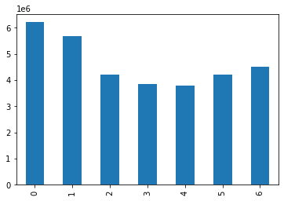
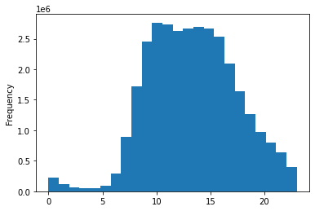
 |  |  |  | Legend
 |  |  | 0 | Saturday
 |  |  | 1 | Sunday
 |  |  | 2 | Monday
 |  |  | 3 | Tuesday
 |  |  | 4 | Wednesday
 |  |  | 5 | Thursday
 |  |  | 6 | Friday

Histogram clearly shows the most popular hours for placing orders fall between 9am and 4pm | The most orders are placed on a Saturday and Sunday with Friday the most popular week day
Orders gradually decline from late afternoon through to 11pm
There are very few orders placed overnight

Bar Chart show showing orders by customer loyalty | Histogram of Prices

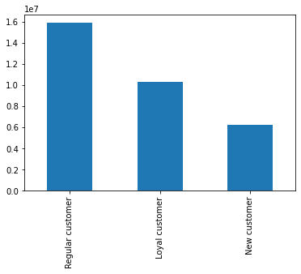
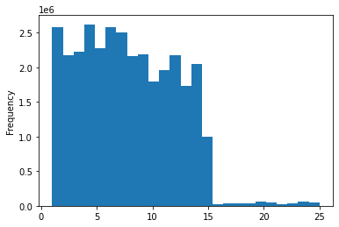

 | The majority of prices fall between $1 and £15.
 | There is a small range of products priced between $16-$25
The majority of InstaCart customers fall within the 'Regular Customer' profile

Line chart showing prices over hour_of_day | Line chart showing prices over day_of_week
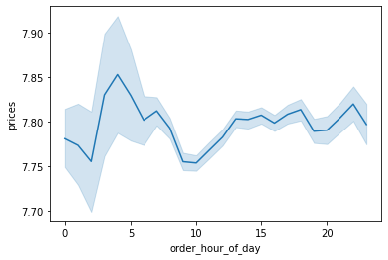
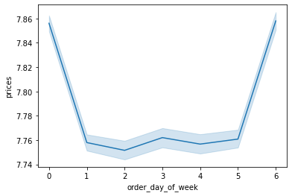

Based on the average price across all orders, there is very little fluctuation across the hours of the day | The average_basket_price goes up on Fridays and Saturdays

Determine correlation between age and family status
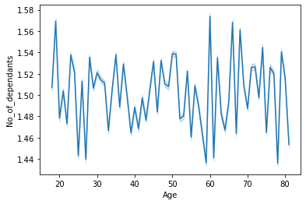

The line chart shows there is no correlation between these 2 variables.

Using alternate chart type to show correlation between age and family status
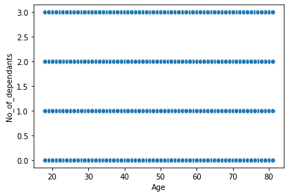

A scatter chart shows that there really is no discernible correlation to be found between age and number of dependants

Is there a correlation between age and spending power?

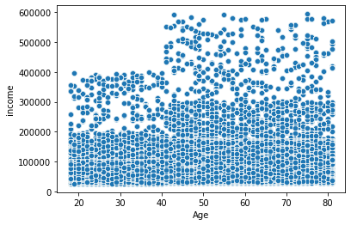

There does appear to be a reasonable correlation between age and spending power.
Based on this chart, no-one below the age of 40 has a salary that exceeds $400,000

Distribution of income

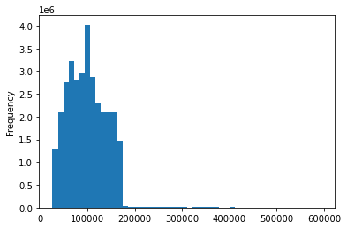

As expected the income distribution is very right skewed

7. Recommendations
Title page

Recommendations
Recommendations

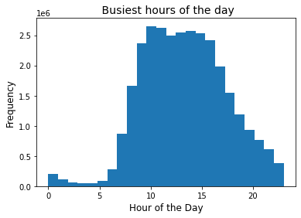
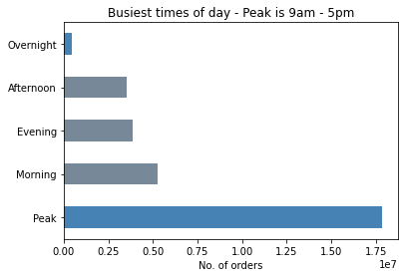
Recommendation - Peak ordering occurs from around 9am to 3-4pm. The best time to schedule ads would be in the early morning, up to 9am and in the late afternoon, from 4-5pm, throughout the evening.
● The sales team needs to know what the busiest days of the week and hours of the day are (i.e., the days and times with the most orders) in order to schedule ads at timeswhen there are fewer orders.

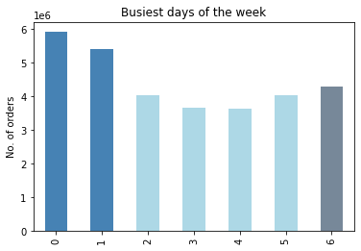
Recommendation - The most orders are placed over the weekend, with the fewest orders are placed midweek. Targeted ads could be run specifically in the mornings and evenings everyday.

● They also want to know whether there are particular times of the day when people spend the most money, as this might inform the type of products they advertise at these times.
Recommendations -
- The average amount spent per order is very consistent throughout the day. There is a small uplift during the early hours of the morning however. Ads could be scheduled between 3-6am to maximise this higher average spend.
- The lowest spend is around mid-morning between around 9-11am, ads could be scheduled during this time-frame to target improving the average spend.

Recommendation - There is a small number of products that fall within the High-range price range. These are purchased almost exclusively by the High Spenders. This group also spends much less on the Low-price range products than the Low Spenders. Marketing campaigns that focus on these price ranges to the target demographics may help improve sales overall.
● Instacart has a lot of products with different price tags. Marketing and sales want to use simpler price range groupings to help direct their efforts.

● Are there certain types of products that are more popular than others? The marketing and sales teams want to know which departments have the highest frequency of product orders.
Recommendations - The sale of products in the babies department have a very high frequency of order. The majority of the orders are placed by 'Frequent customers'. Only 1.32% of all customers account for sales in this department but place orders on a frequent basis. Ads specifically targeting customers who have bought these products before would likely return again and again.

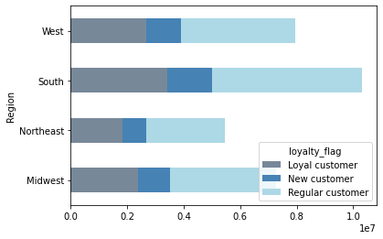

● The marketing and sales teams are particularly interested in the different types of customers in their system and how their ordering behaviors differ.
● What’s the distribution among users in regards to their brand loyalty (i.e., how often do they return to Instacart)?
● Are there differences in ordering habits based on a customer’s loyalty status?
Recommendations -
- Around 50% of customers are 'Regular Customers'. There is a larger proportion of the 'Loyal Customers' who fall within the very high income bracket. I'd recommend that ads are targeted to grow this demographic of customer.
- New customers have a slightly larger skew towards the lower income bracket. Ads could be targeted at this demographic to convert them into loyal customers.

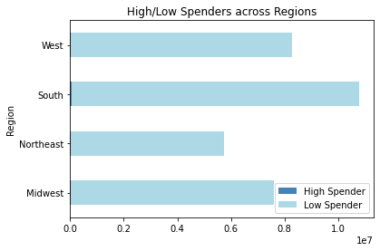

● Are there differences in ordering habits based on a customer’s region?
The customers with the highest spending flag are in the Midwest region.
- Recommendation - schedule ads to these high spenders in this region.

● What differences can you find in ordering habits of different customer profiles?

- The lowest income bracket accounts for the highest sales of snacks
- Bakery sales are highest for those in the higher income brackets
- Household items, bakery, breakfast and the alcohol departments are most popular with the very high income bracket of customers

Family status shows that there roughly a quarter of all customers registered as having no dependants, which flags them as an 'Individual', yet 1.3% of this group are buying from the babies department which indicates that they are new parents since registering.
- Recommendation - could customer metrics be updated to reflect changes in circumstance? Otherwise, targeting ads not based just on a customer profile, but also on their regular purchases would avoid missing specific groups of people.

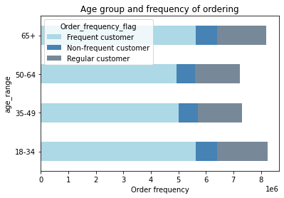

●Is there a connection between age and family status in terms of ordering habits?

There are very small differences to be found in the ordering habits of across family statuses.
- Single/Individuals are most likely to order on the weekend or in the evenings - targeted ads should be made at these times specifically for these groups

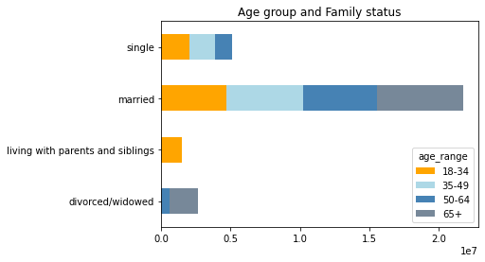

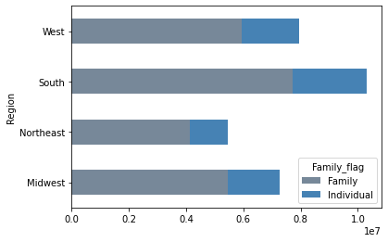

Across regions, the family status of customers is very evenly distributed. The majority of customers are married with children.
- Recommendations -
- Scheduling ads at the times when these groups are most likely to be ordering, such as individuals in the evenings and weekends, families during the day. To increase orders during the mornings and afternoon would help to spread the peak purchasing a bit more evenly across the day.

